Sheet1
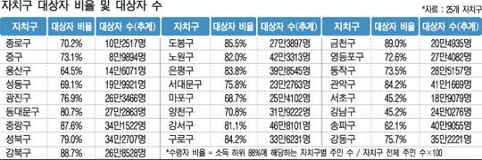

출처 : http://m.naeil.com/m_news_view.php?id_art=396586

